Checklist Template
type | name | values | prefix | postfix | usage count | user addable | template name
checklist | Balcony Build
section | Casette Assembly
checkpoint | All parts free from defects and damage
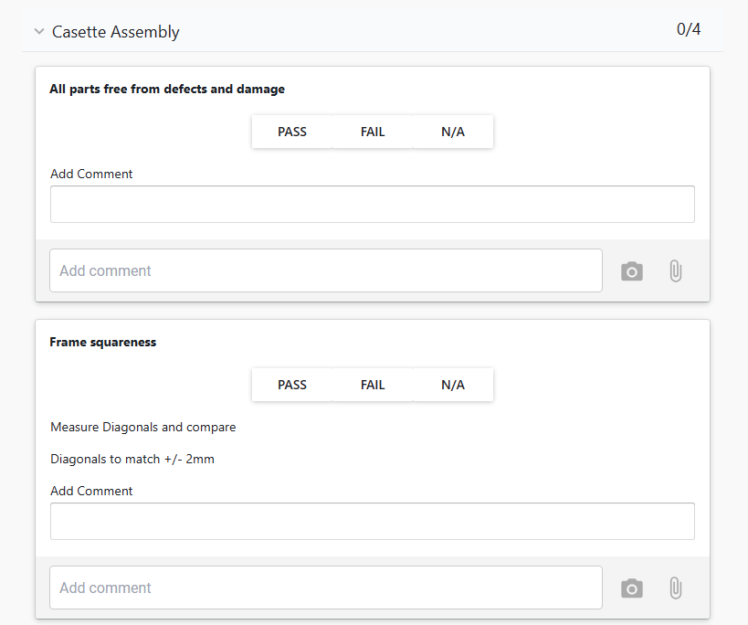
textbox | Add Comment
checkpoint | Frame squareness
note | Measure Diagonals and compare
note | Diagonals to match +/- 2mm
textbox | Add Comment
checkpoint | Verify all parts and fixings have been fitted as per drawings and schedules
note | Note: cut / drill clearance holes in Joist and Soffit around lifting eyelet
textbox | Add Comment
checkpoint | Bolt Tightness
note | Frequency: Every Bolt Nut Washer
note | Torque Wrench: M8 Bolts to 22Nm (yellow marker)
note | M10 to 44Nm (blue Marker) M12 to 77Nm (green marker)
textbox | Add Comment
section | Soffit Check
checkpoint | Soffits Level - rear angle support added
textbox | Add Comment
checkpoint | Rivets / Screws: Correct Sizes and Integity
note | Visual Check: all mounting points
note | Frequency: Every Rivet / Screw
textbox | Add Comment
checkpoint | Joints Tight
note | All soffit panels pulled tight to each other
checkpoint | Gutter Section Assembled
textbox | Add Comment
checkpoint | Surface Finish
note | No imperfections visible beyond 3m
note | Frequency: Every Soffit Panel
textbox | Add Comment
section | Balustrade Check
checkpoint | Balustrade Kit Prepared
note | All Parts included
note | Correct for Lower or Upper Type
textbox | Add Comment
section | Decking Check
checkpoint | Preforated sheets fitted where applicable
note | Site fitted sheets included in pack
note | Correct for Left or Right Side Unit
textbox | Add Comment
section | Completion Check
checkpoint | Site pack compiled
note | Preforated sheets, Gutter, Tile edging angle and Balustrade Kit packed
note | Correct for Upper or Lower Type
note | Correct for Left or Right Side Unit
textbox | Add Comment
checkpoint | Balcony Labeled
note | Attache and Sign QA label
note | Label states Type, Side and Upper / Lower designation
textbox | Add Comment

